Units 1&2 Kitchens
Item | Need? | Priority | Link | Price (pre-tax) | Quantity | Total | Ordered? | Order by | Notes
Light fixture |  |  |  |  | 2 | $0.00 |  |  | what kind of lighting do we need?
Cabinets (how many depends on design) | Yes |  | grey/taupe |  |  | $0.00
Shelving (based on Design) |  |  | only if needed |  | 2 | $0.00 |  |  | some Woden shelves if possible
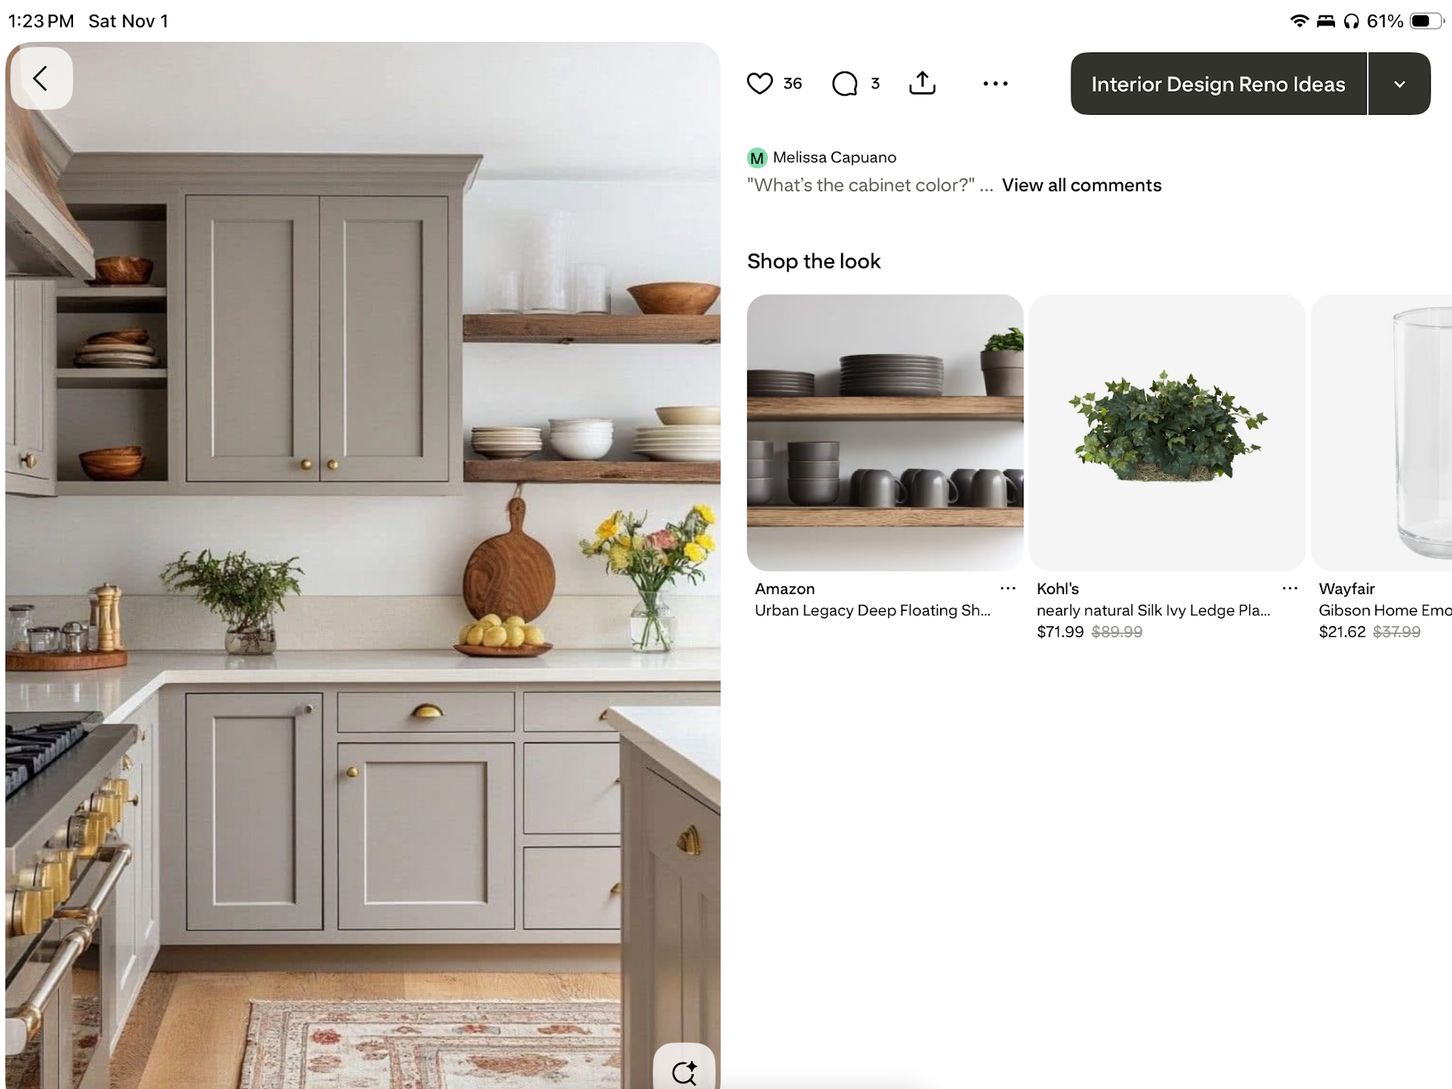
Handles (circles) | No |  | —— | — |  | #VALUE!
Handles (long) | Yes |  | Franklin Brass 30-Pack Simple Bar 3-3/4 in. (96 mm) Modern Satin Gold Cabinet Drawer Pulls P46641K-523-B3 - The Home Depot | $47.19 |  | $0.00 |  |  | price per 30-pack
Hinges (based on Design) | Yes |  | n/a | n/a |  | #VALUE!
Countertop (based on measurements but probably 50 Sq or less) | Yes |  | white |  | 2 | $0.00
APPLIANCES
Sink | Yes |  | (Comes w countertop) |  | 2 | $0.00
Sink Fixtures | Yes |  | MOEN Kiran Bronzed Gold 17 in. H Pull Down Sprayer Kitchen Faucet with 360° Spout Swivel and Reflex System 87599BZG - The Home Depot | $249 | 2 | $497.00 | Yes
Fridge (with out without waterline we will need to know) | Yes |  | contact mohammed |  | 2 | $0.00
Stove (electric) | Yes |  | ^^ |  | 2 | $0.00
Dishwasher | Yes |  | ^^ |  | 2 | $0.00
Hood/microwave | Yes |  | ^^ |  | 2 | $0.00
FLOOR
Tile if different flooring from main flooring that runs throughout |  |  | hardwood/vinyl |  |  | $0.00
Grout Choice |  |  | — |  |  | $0.00
BACKSPLASH
Backsplash tile | Yes |  | Bedrosians Celine 2.5 in. x 12 in. Glossy White Porcelain Subway Tile (5.48 sq. ft./Case) 100003431 - The Home Depot | $8.63/sq ft |  | #VALUE!
Grout Choice |  |  | https://www.homedepot.com/p/Custom-Building-Products-Polyblend-Plus-640-Arctic-White-10-lb-Unsanded-Grout-PBPG64010/313027413 | $18.48 | 2 | $36.96
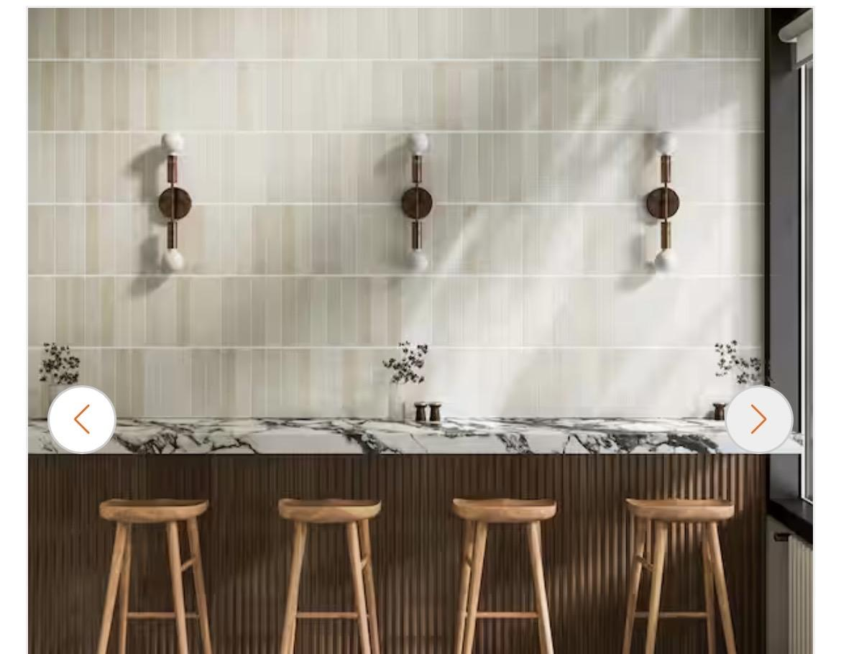
Tile spacers |  | --- | https://www.homedepot.com/p/QEP-1-16-in-Traditional-Flexible-Tile-Spacers-300-pack-10334/312247168 |  |  | $0.00 |  |  | 300 pack
Electric trim color choice in the various areas | N/A |  | https://www.homedepot.com/p/Leviton-1-Gang-White-Duplex-Outlet-Receptacle-Nylon-Midway-Midsize-Wall-Plate-10-Pack-PJ8-WM-M52-00PJ8-0WM/100356784 | $3.98 |  | $0.00 |  |  | 10 pack | <----how to lay backsplash tile
Furnishing look |  |  |  |  | 2 | $0.00
PAINT
Paint color | Yes |  | https://www.homedepot.com/p/BEHR-MARQUEE-1-gal-MQ3-13-Crisp-Linen-One-Coat-Hide-Eggshell-Enamel-Interior-Paint-Primer-245001/204847083 |  | 2 | $0.00
Trim Paint | Yes |  | https://www.homedepot.com/p/Alexandria-Moulding-Pro-Pack-L163E-9-16-in-x-5-1-4-in-x-192-in-Primed-Pine-Baseboard-Moulding-5-Pack-80-Total-Linear-Feet-WP163-93192CPK/206460031 | $128.00 |  | $0.00
TOTAL |  |  |  |  |  | #VALUE!

Unit 2 Bath - Floor 3
Item | Need? | Priority | Link | Price (pre-tax) | Quantity | Total | Ordered? | Order by | Notes
Vanity/Pedestal (Need to know size from contractor) | Yes | 1 | Glacier Bay Tobana 60 in. Double Sink Weathered Tan Bath Vanity with White Engineered Marble Top (Assembled) Tobana 60WT - The Home Depot | $840 | 1 | $840.00
Vanity Faucet | Yes | 1 | androme 8 in. Widespread Double-Handle Bathroom Faucet with Pop-Up Drain 3-Hole Vanity Sink Faucet Spout in Matte Black H03033B-2 - The Home Depot | $65.08 | 2 | $130.16
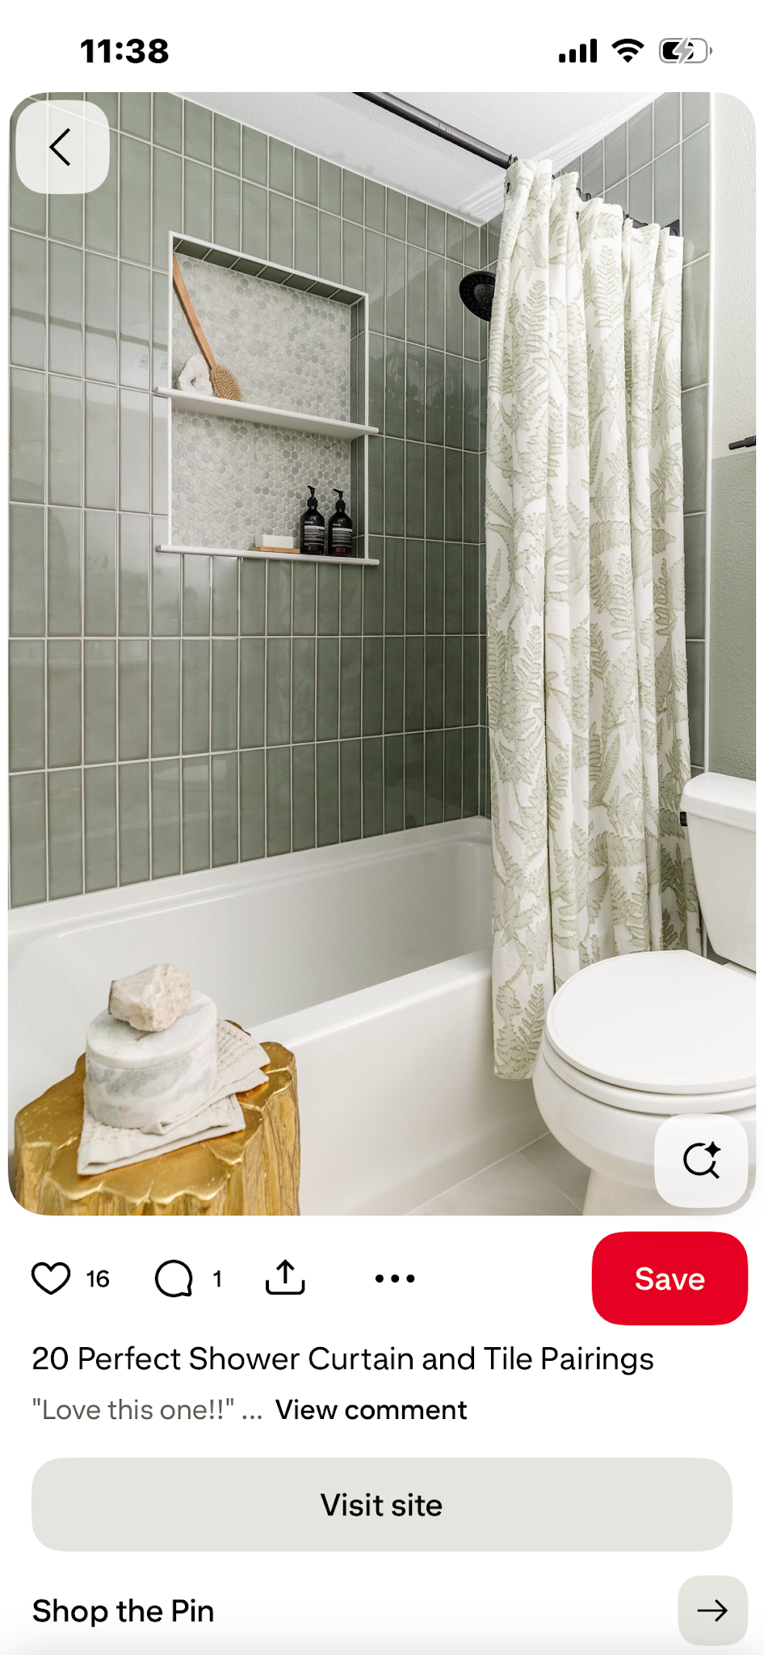
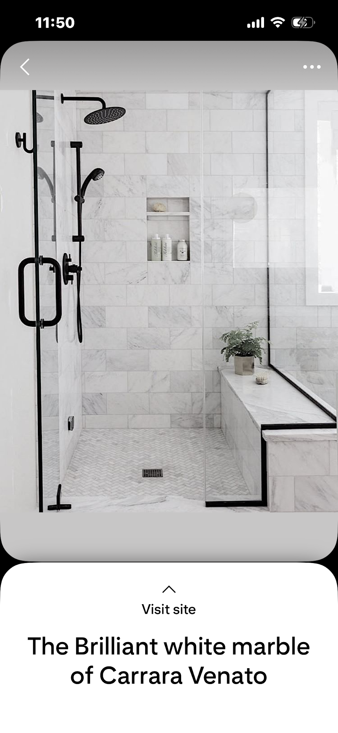
Mirror/Cabinet | Yes | 1 | TaiMei 24 in. W x 30 in. H Rectangular Framed Wall Bathroom Vanity Mirror in Matte Black ZL-2430BL - The Home Depot | $105.00 | 2 | $210.00
Accessories | Yes | 2 | ATKING 5-Piece Bath Hardware with Towel Bar Towel Hook Toilet Paper Holder and Towel Ring Set in Matte Black A5BK-522 - The Home Depot | $49.90 | 1 | $49.90
Exhaust Fan | Yes | 2 |  |  |  | $0.00
Light Fixture | Yes | 2 | aiwen 27.56 in. 3-Light Modern Black LED Vanity Light Over Mirror Wall Lighting Fixture PZE-W4575-D - The Home Depot | $118.56 | 2 | $260.83 |  |  | lights face down!
Shower |  | 1 | -- |  |  | $0.00 |  |  |  |  | shower bench!
Plumbing Trim (with Roghins) | Yes |  | EVERSTEIN 5-Spray Square 12 in. Rain Wall Mount Shower System with 6 in. Shower Head Handheld shower in Matte Black 2.5 GPM SFS-1065-BK12 - The Home Depot | $456.80 | 1 | $456.80 | Yes |  | Ordered a different one |  | entire bench with floor tile pls
Shower Glass door | Yes |  | Delta Commix 54-3/8 to 60 in. W x 76 in. H Frameless Exposed Roller Sliding Shower Door in Matte Black, 5/16 in. Clear Glass SDESR60-MB-R - The Home Depot | $719.00 | 1 | $719.00 |  |  |  | inlet --->
Shower Tile | Yes | 2 | MSI Urban Bamboo Ridge Fluted Matte Ceramic Wall Tile 16 in. x 48 in. (15.5 sq. ft./Case) NHDBAMRID1648C - The Home Depot | $6.47/sq ft |  | #VALUE! |  |  | lay tiles vertically, keep as close together as possible, so it looks seamless | two shelves
Shower inlet tile | Yes |  | same as shower floor
Shower Floor Tile | Yes |  | Rain Forest 12 in. x 12 in. Dark Gray Stone Mosaic Pebble Floor and Wall Tile (5.0 sq. ft. / Case) PT-SMBLK - The Home Depot | $6.34/sq ft
Floor tile grout choice | Yes |  | Custom Building Products Polyblend Plus #60 Charcoal 25 lb. Sanded Grout PBPG6025 - The Home Depot | $19.48 | 1
Shower walls grout Choice | Yes |  | Custom Building Products Polyblend Plus #380 Haystack 10 lb. Unsanded Grout PBPG38010 - The Home Depot | $18.48 | 1 | $18.48
Tile spacing | Yes |  | see note |  |  | $0.00
Shower Base | Yes | 1 | -- |  |  | $0.00
Tub | No | -- | -- | $0 | 0 | $0.00
Prefab |  |  | -- | $0 | 0 | $0.00
Tile Base | Yes | 2 | same as shower floor |  |  | $0.00
Grout Choice |  |  | same as shower floor |  |  | $0.00
Tile spacing |  |  | -- |  |  | $0.00
Toilet | Yes | 1 | https://www.homedepot.com/p/Glacier-Bay-12-inch-Rough-In-Two-Piece-1-1-GPF-1-6-GPF-Dual-Flush-Elongated-Toilet-in-White-Seat-Included-N2316/100676582 | $109 | 1 | $109.00
Entrance Door | Yes | 2 |  |  |  | $0.00
Door choice |  |  |  |  |  | $0.00
Hinge choice |  |  |  |  |  | $0.00
Hardware choice |  |  |  |  |  | $0.00
Door Stopper | Yes | 2 | https://www.homedepot.com/p/Everbilt-10-Pack-Matte-Black-Solid-Door-Stop-38205/321602598 | $16.98 | 1 | $16.98
Trim | Yes | 2 | https://www.homedepot.com/p/Alexandria-Moulding-Pro-Pack-L163E-9-16-in-x-5-1-4-in-x-192-in-Primed-Pine-Baseboard-Moulding-5-Pack-80-Total-Linear-Feet-WP163-93192CPK/206460031 | $128.00 |  | $0.00
Paint | Yes | 2 |  |  |  | $0.00
Paint color/Finish |  |  |  |  |  | $0.00
Electric trim color choice in the various areas | Yes | 2 | https://www.homedepot.com/p/Leviton-1-Gang-White-Duplex-Outlet-Receptacle-Nylon-Midway-Midsize-Wall-Plate-10-Pack-PJ8-WM-M52-00PJ8-0WM/100356784 |  |  | $0.00
TOTAL |  |  |  |  |  | #VALUE!

TOTAL |  |  |  | $1,596.22

